Indices

 | Iraq Stock Exchange
 | Bulletin No (72)
 | ISX Trading Indices of Monday 27/4/2026

 | Traded Volume and OTC |  | 695,854,889 |  | Traded Value and OTC |  | 1,185,070,879 |  | Traders | 1062

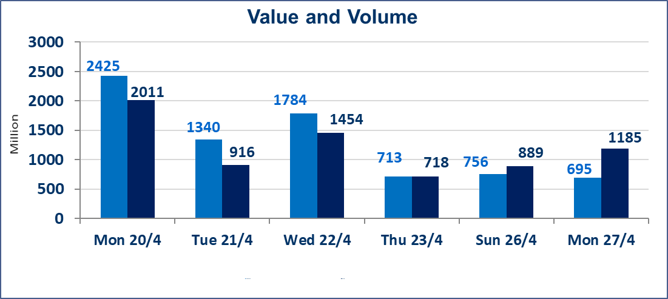
 | ISX Index 60 |  |  | 977.47 | ISX Index 15 |  |  | 1287.53
 | Previous ISX Index60 |  |  | 984.96 | Previous ISX Index15 |  |  | 1292.38
 | Change % |  |  | -0.76 | Change % |  |  | -0.38
 | Change |  |  | -7.49 | Change |  |  | -4.85

 | Listed Companies | 104 | OTC | 14 | Non Traded listed | 45 | OTC | 11
 | Traded Listed Companies | 50 | OTC | 3 | Higher Companies |  |  | 6
 | GAM Companies |  |  | 1 | Lower Companies |  |  | 20
 | Suspended Companies |  |  | 8
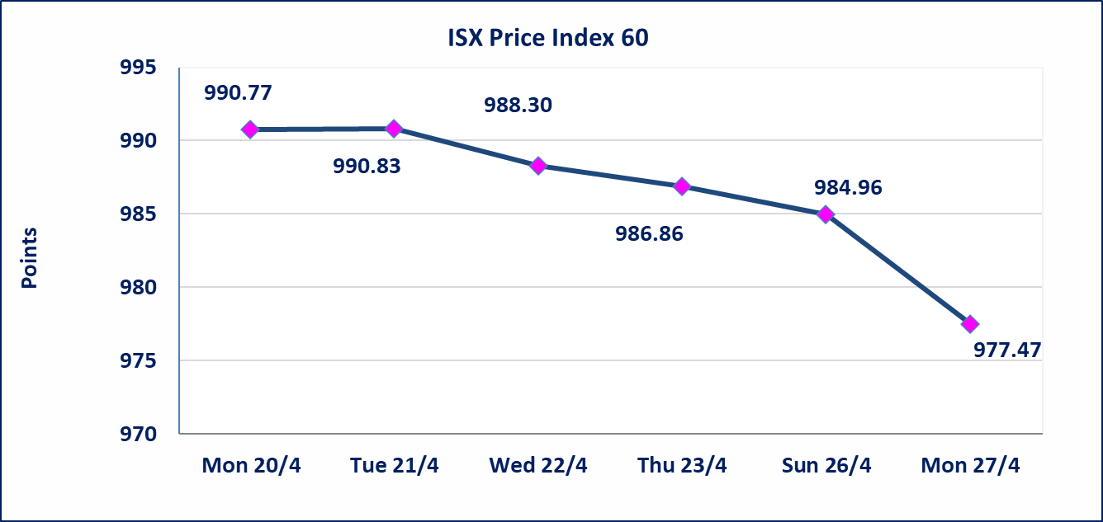
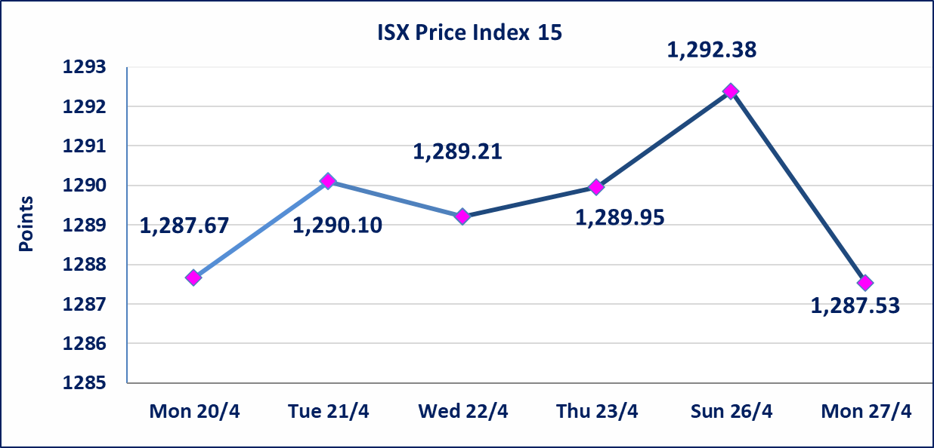

Al-Alwiya P.O . 3607 Mobile: 07711211522 - 07270094594 - 07834000034 E-mail: info-isx@isx-iq.net Web site:www.isx-iq.net

Top 5
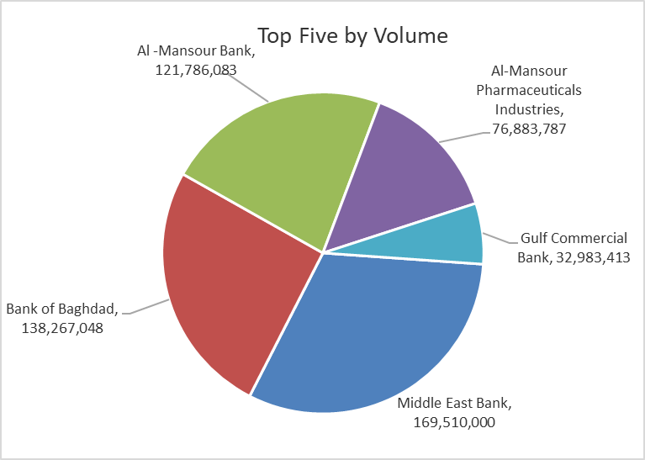
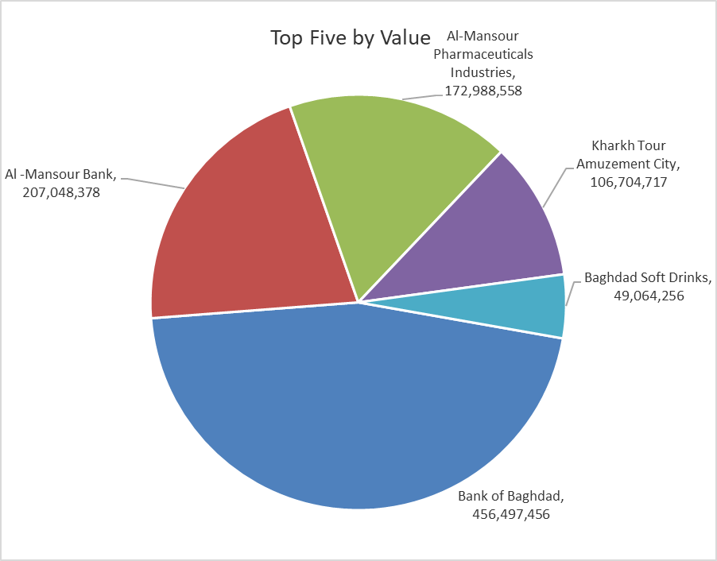

ISX top ganing and losing companies
Monday 27/4/2026
 | Gainers |  |  |  | Losers
 | Company Name | Closing Price | Change (%) | Traded Volume | Company Name | Closing Price | Change (%) | Traded Volume
 | Al-Hamraa for Insurance | 4.550 | 4.84 | 106,730 | Sumer Commercial Bank | 0.180 | -5.26 | 13,000
 | AL-Badia for General Trans | 1.370 | 4.58 | 1,074,918 | Gulf Commercial Bank | 0.340 | -2.86 | 32,983,413
 | Kharkh Tour Amuzement City | 4.900 | 3.81 | 22,420,874 | Iraqi Islamic Bank | 1.030 | -1.90 | 6,996,100
 | Modern for Animal Production | 0.380 | 2.70 | 11,618,940 | Modern Sewing | 5.400 | -1.82 | 401,562
 | Al -Khazer Construction Materials | 1.250 | 2.46 | 649,543 | Credit Bank Of Iraq | 0.580 | -1.69 | 5,000,000
 | The most active companies in term of traded volume and value

 | Traded Volume |  |  |  | Traded Value
 | Company Name | Closing Price | Change (%) | Traded Volume | Company Name | Closing Price | Change (%) | Traded Value
 | Middle East Bank | 0.100 | 0.00 | 169,510,000 | Bank of Baghdad | 3.310 | -1.19 | 456,497,456
 | Bank of Baghdad | 3.310 | -1.19 | 138,267,048 | Al -Mansour Bank | 1.700 | 0.00 | 207,048,378
 | Al -Mansour Bank | 1.700 | 0.00 | 121,786,083 | Al-Mansour Pharmaceuticals Industries | 2.250 | 0.00 | 172,988,558
 | Al-Mansour Pharmaceuticals Industries | 2.250 | 0.00 | 76,883,787 | Kharkh Tour Amuzement City | 4.900 | 3.81 | 106,704,717
 | Gulf Commercial Bank | 0.340 | -2.86 | 32,983,413 | Baghdad Soft Drinks | 6.190 | -0.80 | 49,064,256

Not Trading Bonds

Iraq Stock Exchange
Monday 27/4/2026
Not Trading Bonds Bulletin
Bond type | Publish type | Code | last trading price | immortilize date
Banaa Bonds /Million ID | Second | CB20 | 964,981 | 19/12/2025
Eamar Bonds /Million ID | First | CB30 | 1,001,095 | ــــــــــــــــ
Eamar Bonds /Million ID | Second | CB40 | ــــــــــــــــ | ــــــــــــــــ
Eamar Bonds /500 Thousand ID | Third | CB45 | ــــــــــــــــ | ــــــــــــــــ
Eamar Bonds /Million ID | Third | CB50 | ــــــــــــــــ | ــــــــــــــــ
Injaz Bonds /500 Thousand ID | First | CB55 | ــــــــــــــــ | ــــــــــــــــ
Injaz Bonds /Million ID | First | CB60 | 951,110 | ــــــــــــــــ
Injaz Bonds /500 Thousand ID | Second | CB65 | 507,301 | ــــــــــــــــ
Injaz Bonds /Million ID | Second | CB70 | 965,050 | ــــــــــــــــ
Injaz Bonds /500 Thousand ID | Third | CB75 | ــــــــــــــــ | ــــــــــــــــ
Injaz Bonds /Million ID | Third | CB80 | 978,182 | ــــــــــــــــ
National Bonds/Million ID | First | CB90 | ــــــــــــــــ | ــــــــــــــــ
National Bonds/500 Thousand ID | Second | CB95 | ــــــــــــــــ | ــــــــــــــــ
National Bonds/Million ID | Second | CB100 | ــــــــــــــــ | ــــــــــــــــ

